Descriptions
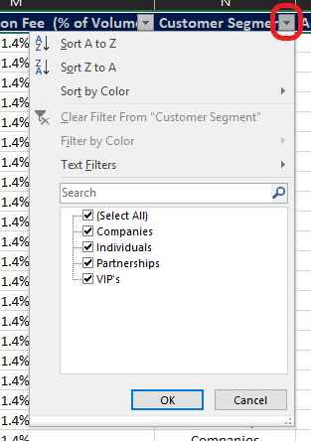
Column Variable | Definitions
Customer Number | A unique number associated with each individual Customer
Data Month | The month for which the customer's data is extracted. (Hint: The dataset 3 months worth of data for a specific customer base)
Product First Used | The date on which the customer first used the product
Monthly Account Fee | Account Maintenance fee charged on each individual account
Treasury Revenue ($) | Monthly Revenue received from Treasury based on the Customer's Account Balance
Interest Paid | Monthly Interest paid to the customer on the Customer's Account Balance
Account Balance | The average amount of funds in the customer's account over a period of one month
No. of Domestic Transactions | Total number of domestic transactions the customer has done on the account (Hint: this can be used a proxy to understand how engaged the customer is with the product)
Volume of Domestic Transactions | Total $ amount of all the domestic transactions over the month
Domestic Transaction Revenue ($) | Total Revenue earned on all domestic transactions of the customer over the period of a month.
No. of Foreign Transactions | Total number of foreign transactions the customer has done on the account (Hint: this can be used a proxy to understand how engaged the customer is with the product)
Volume of Foreign Transactions | Total AUD amount of all the foreign transactions over the month
Foreign Transaction Fee (% of Volume) | The % of foreign transaction (AUD) charged as a fee for facilitating the transaction
Customer Segment | Customers can be divided into segments based on demographics or other features
Acquisition Channel | The channel through which the customer was initially acquired as a customer
Customer Tenure (Months) | Total number of months the customer has been with the bank

Revenue Calculation

 | A product within our Global Consumer bank could have multiple revenue sources. Some of the different revenue streams from the dataset are as below:

 | Treasury Revenue: This is the revenue earned by the bank through its treasury function. This revenue is usually a % of the balances. In this dataset Treasury Revenue is provided as monthly dollars for each customer.

 | Domestic Transaction Revenue: When customers make a purchase using their debit or credit cards, consumer banks generally earn a small percentage of the transaction value as revenue. In this dataset the Domestic Transaction Revenue is provided as monthly dollars for each customer.
 | Foreign Transactions Revenue: Similar to Domestic Transactions Revenue, banks also earn a small percentage of the total foreign transaction value. In this dataset the Foreign Transaction volume and the Foreign Transaction Fee % is provided. You can utilize the two variables to calculate Foreign Transaction Revenue for each line of the data.

 | Monthly Account Fee: This is a simpler Revenue stream within the business. Some products can charge a monthly account maintenance fee.

Questions

No. | Question
1 | What is the total monthly revenue for each month? ( July, August, September)
2 | Which Segment has the highest average revenue over the 3 month period?
3 | Which segments is most engaged in the product ?
4 | What percent of total transactional revenue over the 3 months has been earned from foreign transactions?
5 | Which acquisition channel has been the most successful in acquiring the customers within this dataset ?

Basic Data Analytics

There are some useful tools available in Excel for analysing data. Two which you may find useful for this exercise are Pivot Tables and the Filter function.

Pivot Tables | In the "Dataset" tab select the entire table (Ctrl + A) and then under the "Insert" select "PivotTable" and then select Ok

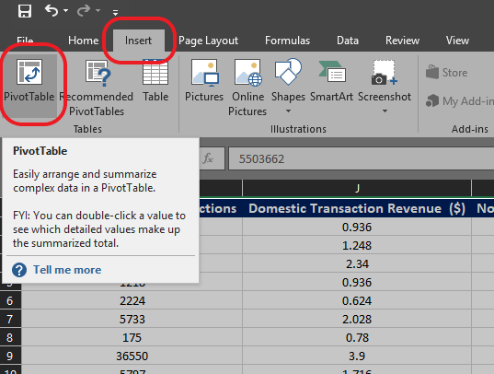

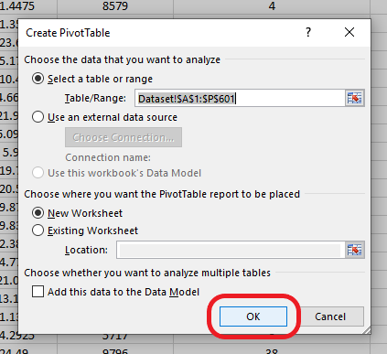

 | Once you select OK a new tab will appear with your brand new Pivot Table ready to start analysing the data. If you are unsure what to do next there are a multitude of online tutorials available for using Pivot Tables. A hint is to start by dragging the "Data Month" field into the "Rows" section and the various revenues into the "Values" section

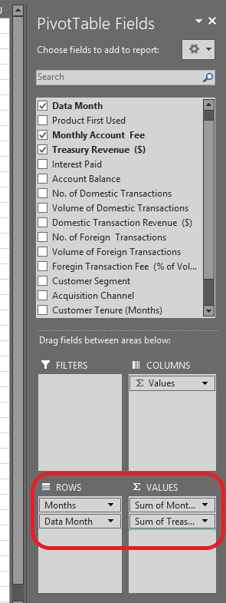

Filters | In the "Dataset" tab select the top row and then under the "Data" select "Filter"
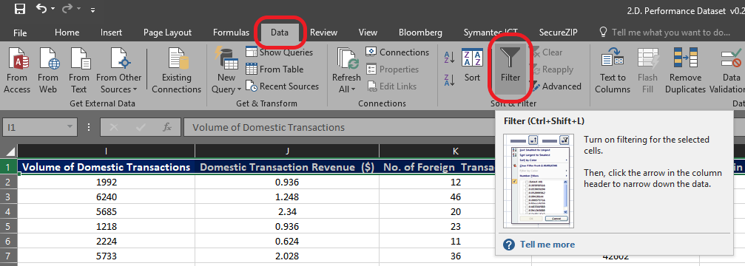

 | Each cell in the top row will now have a small grey box with an arrowhead on it. Click on this to select the data you wish to view. After you click OK it will only display the rows of data that meet your specified criteria

